Sheet1
PY1B LHD ORVM |  |  |  |  |  |  | WH LABEL DATA FOR ALL VARIANT
S.NO | TF PART NO | CUSTOMER PART NO | DESCRIPTION | TORSHI CODE | PART LABEL DATA & FORMAT | WH PART NO
1 | 30070923X000 | 963018VD0C | PF+ELE+BLINKER+AVM - RH | 4K RH | 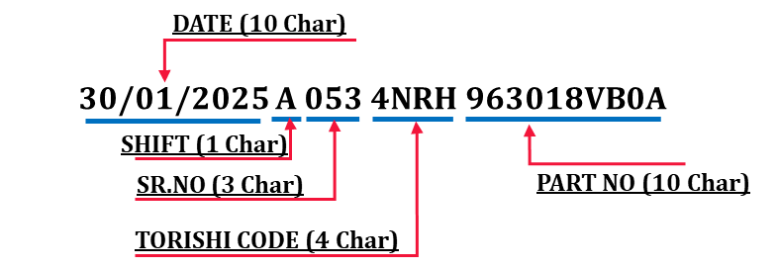 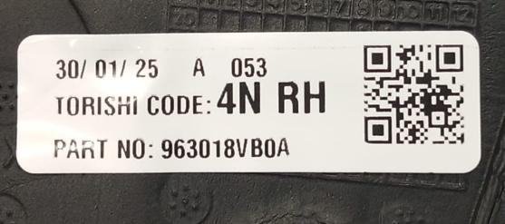 | 30050223X003
2 | 30071024X000 | 963028VD0C | PF+ELE+BLINKER+AVM+TEMP SENSOR - LH | 4K LH |  | 30050324X003
3 | 30070911X000 | 963018VD0D | PF+ELE+BLINKER - RH | 4M RH |  | 30050211X010
4 | 30071020X000 | 963028VD0D | PF+ELE+BLINKER+TEMP SENSOR - LH | 4M LH |  | 30050320X010
5 | 30076211X000 | 963018VB0A | PF+ELE+BLINKER+AREBIC - RH | 4N RH |  | 30050211X010
6 | 30076320X000 | 963028VB0A | PF+ELE+BLINKER+TEMP SENSOR+AREBIC - LH | 4N LH |  | 30050320X010
7 | 30076223X000 | 963018VB0B | PF+ELE+BLINKER+AVM+AREBIC - RH | 4S RH |  | 30050223X003
8 | 30076324X000 | 963028VB0B | PF+ELE+BLINKER+AVM+TEMP SENSOR+AREBIC- LH | 4S LH |  | 30050324X003
PY1B RHD
S.NO | TF PART NO | CUSTOMER PART NO | DESCRIPTION | TORSHI CODE | PART LABEL DATA & FORMAT | CUSTOMER PART NO
1 | 30050301X000 | 963026VA0A | ORVM Mech LH | 7R LH | 30/01/2025 A 053 4N RH 963018VB0A | -
2 | 30050201X000 | 963016VA0A | ORVM Mech RH | 7R RH |  | -
3 | 30050320XS01XS | 963026VD0A | PF+ELE+BLINKER+TEMP SENSOR - LH | 8R LH |  | 30050324X003
4 | 30050211XS01XS | 963016VD0A | PF+ELE+BLINKER - RH | 8R RH |  | 30050211X010
5 | 30050324XS01xs | 963026VF0A | PF+ELE+BLINKER+AVM+TEMP SENSOR - LH | 2R LH |  | 30050324X003
6 | 30050223XS01xs | 963016VF0A | PF+ELE+BLINKER+AVM - RH | 2R RH |  | 30050223X003
HBC
S.NO | TF PART NO | CUSTOMER PART NO | DESCRIPTION | TORSHI CODE | PART LABEL DATA & FORMAT | CUSTOMER PART NO
7 | 32110313X000 | 96302-0207R | MIRROR- MECH LH ( painted+ internal adjust+STI) | D8 LH |  | 32110313X005
8 | 32110213X000 | 96301-2502R | MIRROR-MECH RH ( painted+ internal adjust+STI) | 7U RH |  | 32110313X005
9 | 32110309X000 | 96302-3887R | MIRROR-OTR LH (Elec adjustment+ paint +STI) | DP LH |  | 32110309X002
10 | 32110209x000 | 96301-7561R | MIRROR-OTR RH (Elec adjustment+ paint+STI ) | C9 RH |  | 32110309X002
11 | 32110320X000 | 96302-0749R | MIRROR-OTR LH (Elec adjustment+ paint + Power Fold + STI+Temp) | JD LH |  | 32110320X003
12 | 32110220X000 | 96301-8888R | MIRROR-OTR RH (Elec adjustment+ paint+ Power Fold +STI) | 00 RH |  | 32110220X003
HBC PH2
S.NO | TF PART NO | CUSTOMER PART NO | DESCRIPTION | TORSHI CODE |  | CUSTOMER PART NO
1 | 32210358X000 | 963023961R | PF+ELE+BLINKER+MVC - RH | ML RH |  | 32210258X004
2 | 32210258X000 | 9630114B8R | PF+ELE+BLINKER+MVC+TEMP SENSOR - LH | ML LH |  | 32210358X004

